Shaiz Akhtar
Issue # | Task | Screen name | Screenshot | Issue | Priority | Heuristic Principle violated | Recommendation
1 | Existing User Sign In | Sign In | 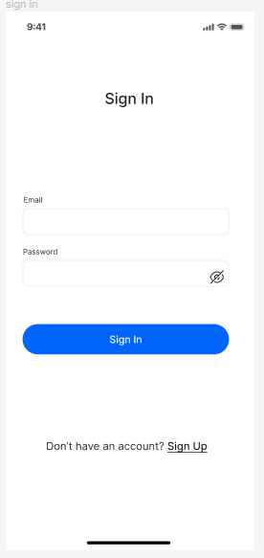 | There is no forgot password button | High | User control and freedom | Add an option for users to retrive their profile by setting passwords
2 | User Sign Up and Build Profile | Sign Up and Complete Profile Screens | 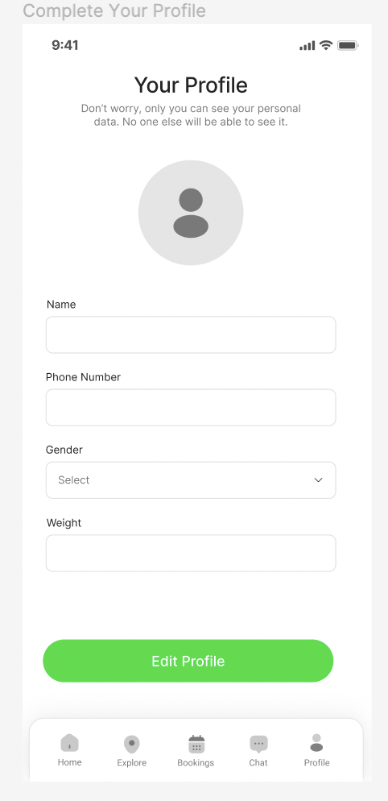 | Add suggestive texts in text fields | Low | Recognition rather than recall | Add some exmaple texts in the essential feilds
3 | User Sign Up and Sign In | Create account and Sign In | 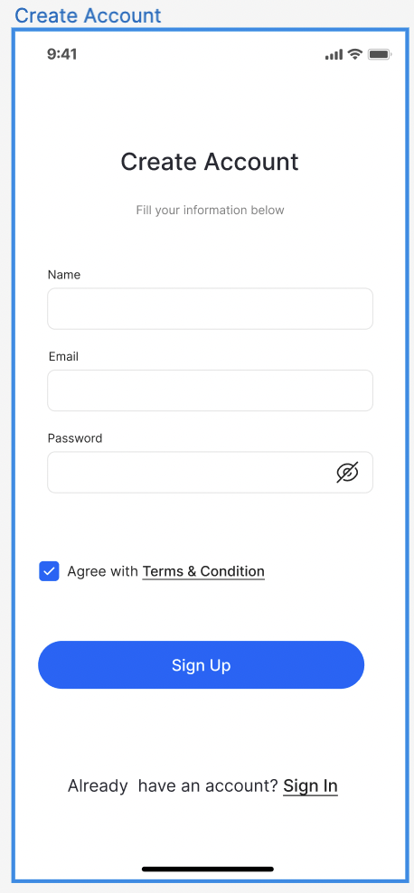 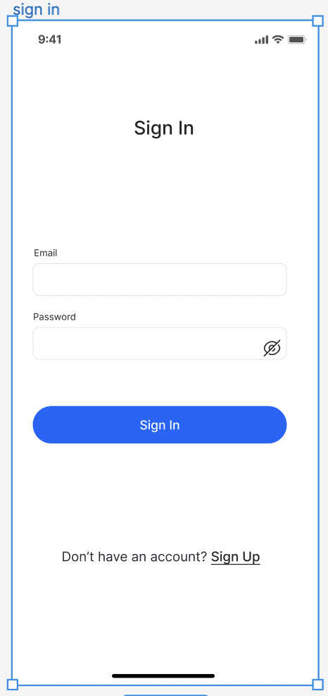 | Unable to easily find Sign Up hyper link due wrong choice of color | High | Visibility Consistency and standard - Recognition rather than recall | Change the color to some standard one like blue which is universal for hyperlink
4 | Search doctor | Explore | 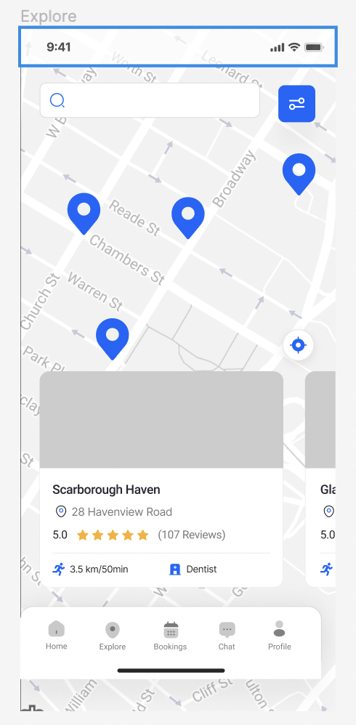 | Getting confused what to search looking at the UI Page doctor or hospital | High | Error prevention | Create a new home page where users can search doctor or change the UI of explore page
5 | View Doctor Profile | View Doctor |  | Cannot go back after getting into few screens | High | Flexibility & efficiency of use | Add Back buttons to all the missing screens
6 | Edit Profile | Complete your profile | 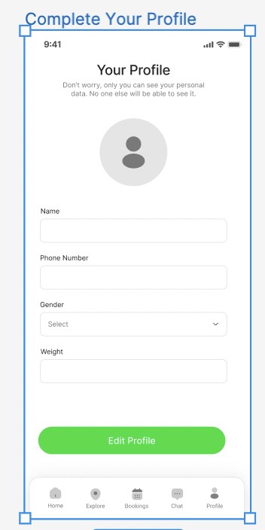 | add help centre and contact us and logout options just in case if some one have to look for something or to logout | Medium | User control and freedom | Create a help section and contact us section and also add logout option in the profile screen
7 | Build Profile | Complete your profile, Build Profile 1, Build Profile 2 |  | Need to determine if the fields are mandatory or not | Medium | User control and freedom | Add red color * on the feilds that are mandatory
8 | Build Profile | Complete your profile |  | Mention country codes for the phone number | Low | Error prevention | Allow multiple country codes , add a drop down behind the phone number feild for users to enter their country codes
9 | Sign In | Sign In |  | Need an option to auto fill email and password from saved data | Low | Flexibility & efficiency of use | Offer auto-completion, Give an option to auto complete feilds when user is about to enter email and password
10 | View Doctor Profile | Doctor Details |  | Always users should be given an option to add reviews in the review section | Low | User Control and Freedom | Add a hyper link in the review section for the user to add reviews
11 | Book appointment | Book appointment | 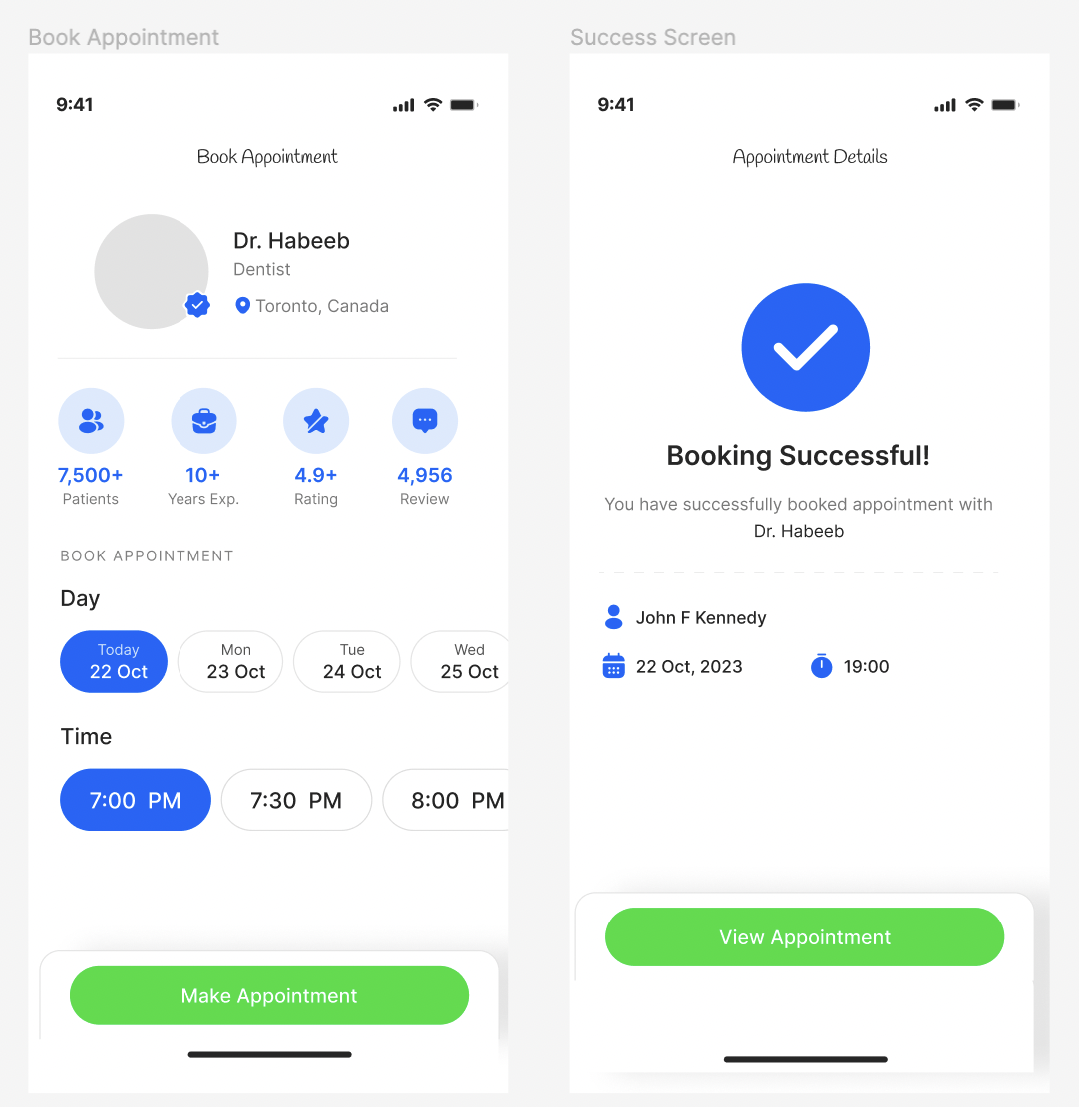 | Button placement is not proper | Low | Consistency & standards | Buttons should be in sync with other screen buttons and should be at the complete buttom of the screens
12 | User Sign Up and Build Profile | Sign Up and Complete Profile Screens | 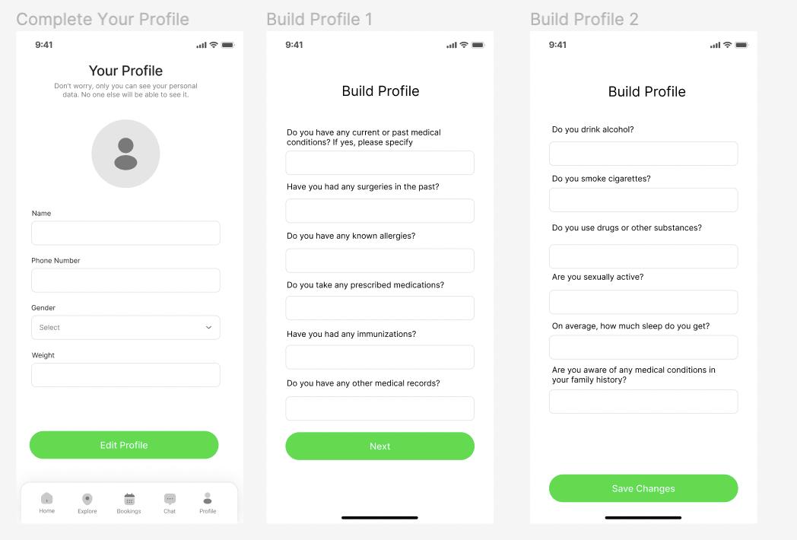 | Button colors are different | Low | Consistency & standards | All the buttons in the app should have same colors. Change the color of green buttons to blue to match with the color of the prototype.

